About
About

DASHBOARD
TITLE OF THE PROJECT: - Total Road Accident In India

Submitted by
Name: - Nishant Kumar
Registration No: - 12001613
Programme and Section: - EM152
Course Code : - INT217
STATES

ABOUT

Under the Guidance of
Dr.Prakash Singh Tanwar(26199)
Lovely Professional University, Phagwara

States
States
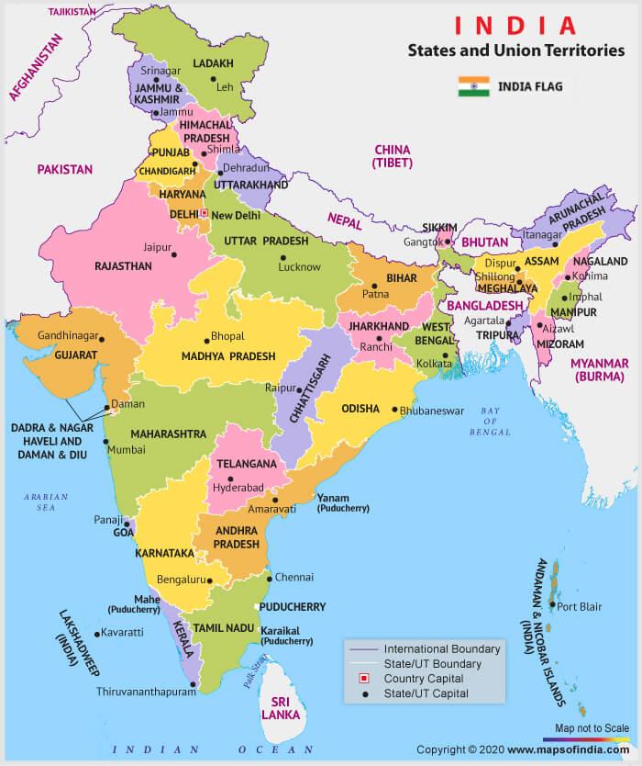

DASHBOARD

STATES

ABOUT

Dashboard
TOTAL ROAD ACCIDENT IN INDIA

Analytics

DASHBOARD
Total Accident Cases
Total Accident in States

STATES
35,562
 | Total
Goa | 1201
Gujarat | 18740
Haryana | 7087
Himachal Pradesh | 2281
Jammu & Kashmir | 5373
Jharkhand | 880

ABOUT
 | Total
Goa | 1201
Gujarat | 18740
Haryana | 7087
Himachal Pradesh | 2281
Jammu & Kashmir | 5373
Jharkhand | 880

Total Accident at Different Time

 | Sum of 0-3 hrs. (Night) | Sum of 3-6 hrs. (Night) | Sum of 9-12 hrs (Day) | Sum of 15-18 hrs (Day) | Sum of 18-21 hrs (Night) | Sum of 21-24 hrs (Night) | Sum of 12-15 hrs (Day) | Sum of 6-9 hrs (Day)
Goa | 57 | 44 | 204 | 209 | 239 | 128 | 173 | 147
Gujarat | 1106 | 1120 | 3150 | 3030 | 2985 | 2142 | 2968 | 2239
Haryana | 615 | 740 | 1004 | 992 | 1006 | 783 | 877 | 1070
Himachal Pradesh | 81 | 124 | 352 | 345 | 497 | 360 | 255 | 267
Jammu & Kashmir | 154 | 180 | 1293 | 1001 | 641 | 404 | 1118 | 582
Jharkhand | 101 | 99 | 100 | 112 | 138 | 111 | 110 | 109

